README
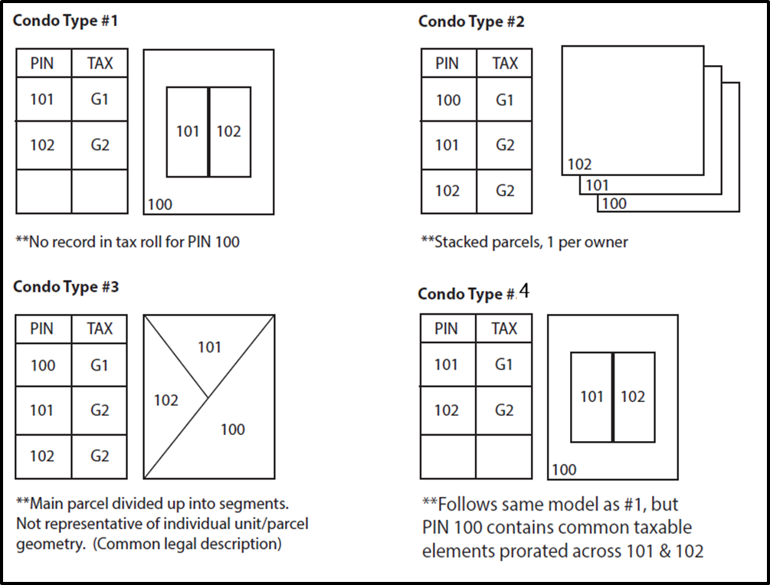
V2 SUBMISSION FORM
 | README
1 | This form will assist submission via the Statewide Parcel project's Searchable or Export format
2 | What submission format do you choose? |  | <SELECT FORMAT>
3 | If submitting via the Searchable format, skip to step 6.
4 | Read Appendix B of the submission documentation before proceeding to step 5. Appendix B will help advise which of the four Export model formats are best for your county.
 |  | Link to Appendix B
5 | What Export format model are you submitting in? |  | <SELECT MODEL>
6 | How are condos modeled in this submission? |  | <SELECT CONDO MODEL>
7 | Follow the steps below for ease and accuracy in filling out this form. This process will allow you to list the fields within each of your participating GIS or attribute tables, so that they can be used to auto-populate drop-down menus for field mapping.
 | a | Identify the path to the GIS feature class or attribute table containing attribute information to be submitted
 | b | In ArcCatalog, open the Python window and paste the following lines of text into the window.
 |  | fieldList = arcpy.ListFields("C:/Users/csee/Desktop/sawyer.dbf") for field in fieldList: print(field.name)

 | c | Replace "C:/Users/csee/Desktop/sawyer.dbf" with your full path to the feature class, file geodatabase table or .dbf containing the attributes to the submission.
 |  | Note: Be sure to use forward slashes ( / ) instead of backslashes ( \ ) which naturally exist when copying from the catalog or explorer window.
 | d | Within the python window, and with your cursor at the end of the code block entered from step b, press enter twice.
 | e | The result should be a list of all field names within your table, use copy and paste to paste the results into the appropriate black box (column) on the FIELDS tab of this submission form.
 | f | Repeat steps b-e for all tables that participate in your submission. Take a look at the FIELDS tab to better understand what tables are needed, per type/model of submission.
8 | Note that there are five tabs in this submission form labeled with Searchable format and each of the Export format models. Select the one appropriate tab for the type/model that this submission follows and complete all form components within that tab.
9 | All field parameters must be annotated as their proper, full field name and are case sensitive. Field aliases (if different from field name) must not be used.
10 | Navigate to the ZONING tab and fill out the form as appropriate for the county-administered zoning data included in the submission.
11 | Navigate to the PROPCLASS-AUXCLASS tab and fill out the form as appropriate for the Class of Property/Auxiliary Class of Property data included in the submission.
12 | Navigate to the CERTIFICATION tab and complete the certification requirements.

CERTIFICATION
CERTIFICATION
Review the full V2 Data Submission Checklist. When you have confirmed that all of the components below are ready to submit, complete the certification on this tab, zip all components together with this submission form, and submit.

Note: Completeness is relative to the “Element Occurrence Standard.” This means that if an element (such as a property address, a total assessed value, total property tax value, etc.) actually occurs for a given parcel, then this element should be included in the submitted dataset. This also means that there may be justifiable omissions from the submitted dataset. Examples might be missing tax data for tax exempt properties, no address when no structure is present on a property, etc. Data elements must be included only if they actually occur in the county land information system.

*I hereby certify that parcel dataset attributes and all other components of this submission are complete and included.
<CERTIFY HERE>
OMMISSION DESCRIPTION: If data submission is not complete, provide a rationale and justification for omissions (as instructed in Appendix F) below:
<OMMISSION DESCRIPTION OR OTHER COMMENTS HERE>

Does the submitted data contain redacted owner names? If YES, please provide the full text or link to the written policy as adopted by the county or municipality that requires excluding them within the box below, as instructed in Appendix F.
<PLEASE CHOOSE FROM DROPDOWN>

<PLEASE PROVIDE FULL TEXT OR LINK TO REDACTION POLICY HERE. NOTE: Name of a text, pdf, or word document included within the submission package is also acceptable>

